Table
CLEAR
Action | Year | FromYear | ToYear | Make | Model | VehicleType | PartNumberSKU | PartType | Qty | Region | SubModel | EngineBaseID | Liter | CC | CID | Cylinders | BlockType | EngBoreIn | EngBoreMetric | EngStrokeIn | EngStrokeMetric | EngineDesignationName | EngineVersion | EngineVIN | HorsePower | KilowattPower | ValvesPerEngine | Aspiration | CylinderHeadTypeName | FuelTypeName | FuelSystemDesignName | FuelDeliveryTypeName | FuelDeliverySubTypeName | FuelSystemControlTypeName | IgnitionSystemTypeName | BodyNumDoors | BodyType | MfrBodyCodeName | DriveTypeName | FrontSpringType | RearSpringType | SteeringSystemName | SteeringTypeName | TransmissionControlTypeName | TransmissionMfrCode | TransElecControlled | TransmissionMfrName | TransmissionNumSpeeds | TransmissionTypeName | BedLength | BedTypeName | WheelBase | WheelBaseMetric | FrontBrakeType | BrakeSystem | RearBrakeType | BrakeABSName | EngineMfrName | PositionName | Note | MfrLabel | QualifierText | ParamValue | ParamUOM | BrandAAIAID | ApplicationDataExtractedID | CustomLabel1 | CustomValue1 | CustomLabel2 | CustomValue2 | CustomLabel3 | CustomValue3 | CustomLabel4 | CustomValue4 | CustomLabel5 | CustomValue5 | CustomLabel6 | CustomValue6 | CustomLabel7 | CustomValue7 | CustomLabel8 | CustomValue8 | CustomLabel9 | CustomValue9 | CustomLabel10 | CustomValue10 | CustomLabel11 | CustomValue11 | CustomLabel12 | CustomValue12 | CustomLabel13 | CustomValue13 | CustomLabel14 | CustomValue14 | CustomLabel15 | CustomValue15 | CustomLabel16 | CustomValue16 | CustomLabel17 | CustomValue17 | CustomLabel18 | CustomValue18 | CustomLabel19 | CustomValue19 | CustomLabel20 | CustomValue20 | AssetFileName1 | AssetFilename2 | AssetFileName3 | AssetFileName4 | AssetFileName5 | Assetflag | Report Validation Status | 0 | Yes
A |  |  |  | Abrath | 1000 | Car | AutomationTest | Boby | 1 |  |  |  |  |  |  |  |  |  |  |  |  |  |  |  |  |  |  |  |  |  |  |  |  |  |  |  |  |  |  |  |  |  |  |  |  |  |  |  |  |  |  |  |  |  |  |  |  |  |  |  |  |  |  |  | BBBB |  |  |  |  |  |  |  |  |  |  |  |  |  |  |  |  |  |  |  |  |  |  |  |  |  |  |  |  |  |  |  |  |  |  |  |  |  |  |  |  |  |  |  |  |  |  |  | valid

Coded Values
Image 1: Prohibited Special Characters | Table 1: Action |  | Table 5: Fuel Type Name | Table 7: FuelDeliveryTypeName | Table 9: FuelSystemControlTypeName | Table 13: DriveTypeName | Table 15: SteeringTypeName | Table 18: TransmissionTypeName | Table 21: BrakeABSName
Exceptions: 1. Part# special character restrictions included as in AutoCare standards except for ]. 2. Restriction on Special characters < > @ are not removed as they are impacted in XML imports. | Allowed Values | Description | Allowed Values | Allowed Values | Allowed Values | Allowed Values | Allowed Values | Allowed Values | Allowed Values
 | A | Add | GAS | - | N/A | U/K | N/A | N/R | U/K
 | C | Change/Modify | DIESEL | FI | N/R | FWD | U/K | U/K | Non-ABS
 | D | Delete | FLEX | CARB | U/K | AWD | Gear | N/A | 2-Wheel ABS
 |  |  | CNG |  | Electronic | RWD | Rack | Transmission | 4-Wheel ABS
 | Table 2: Allowed Region |  | LPG | Table 8: FuelDeliverySubTypeName | Mechanical | 4WD |  | Transaxle | N/A
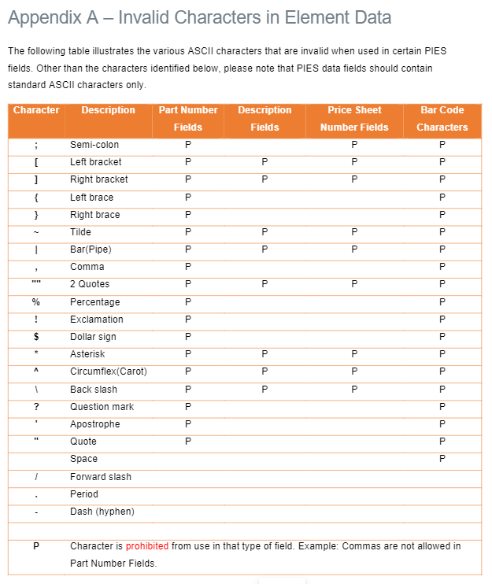
 | Allowed Values |  | ELECTRIC | Allowed Values |  | 4 X 4 | Table 16: TransmissionControlTypeName |  | 6-Wheel ABS
 | United States |  | BI-FUEL | N/A | Table 10: IgnitionSystemTypeName | 6 X 4 | Allowed Values | Table 19: BedTypeName
 | Canada |  | ELECTRIC/GAS | N/R | Allowed Values | 4 X 2 | N/R | Allowed Values
 | Mexico |  | ELECTRIC/DIESEL | U/K | N/A | 6 X 6 | U/K | N/A
 |  |  | U/K | MFI | N/R | 6 X 2 | Automatic | N/R
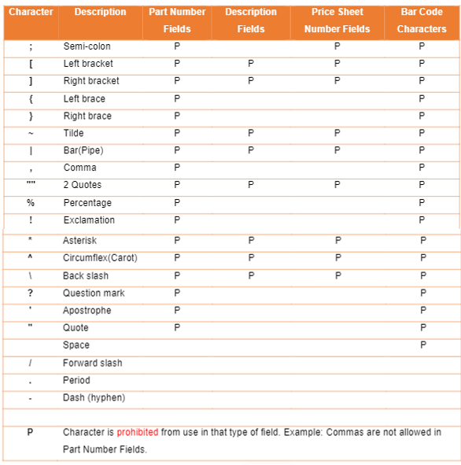
 | Table 3: Aspiration |  | BIODIESEL | 2BBL | U/K | 8 X 4 | Manual | Fleetside
 | Allowed Values |  | FUEL CELL EV (FCEV) | TBI | Distributor-Breakerless | 8 X 6 | Automatic CVT | Stepside
 | - |  | BATTERY W/RANGE EXT (BEV REX) | 1BBL | Distributorless | 10 X 6 | Automatic Dual Clutch | U/K
 | Naturally Aspirated |  | PLUG-IN HYBRID EV-GAS (PHEV) | 2x1BBL | Distributor-Breaker | 8 X 8 |  | Stake Bed
 | Turbocharged |  | MILD HYBRID EV-GAS (MHEV) | 4BBL |  | 12 X 6 | Table 17: TransmissionNumSpeeds | Fold-Out Side Walls
 | Supercharged |  | FULL HYBRID EV-GAS (FHEV) | 1BBL&2BBL | Table 11: BodyNumDoors | 12 X 4 | Allowed Values | Box
 | Turbo/Supercharged |  | BATTERY EV (EV/BEV) | 3BBL | Allowed Values | 10 X 4 | N/A
 | Turbo/Intercooled |  | FULL HYBRID EV-FLEX (FHEV) | CIS | U/K | 8 X 2 | N/R | Table 20: BrakeSystemName
 | Turbo/Aftercooled |  |  | 6x2BBL | 4 | 14 X 6 | U/K | Allowed Values
 | Turbo/Aftercooled/Intercooled |  | Table 6: FuelSystemDesignName | 4x2BBL | 5 | 10 X 8 | 3 | U/K
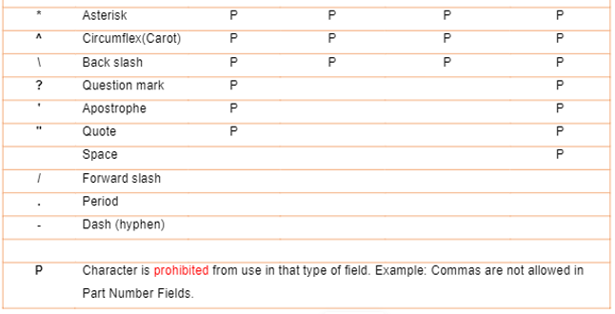
 |  |  | Allowed Values | 2x2BBL | 2 | 10 X 2 | 4 | Power
 | Table 4: Cylinder Head Type Name |  | N/A | 4x3BBL | 3 | 14 X 4 | 5 | Manual
 | Allowed Values |  | N/R | 3x2BBL | 0 |  | 2 | Air
 | N/A |  | U/K | CDI | 6 | Table 14: SteeringSystemName | 6 | Air Over Hydraulic
 | N/R |  | PFI | DI | 8 | Allowed Values | 8 | Hydraulic Vacuum
 | U/K |  | SFI | Common Rail | 1 | N/A | 7 | Hydraulic
 | SOHC |  | Hitachi | Dual Point |  | U/K | 1 | Hydraulic Air Assist
 | DOHC |  | TBI | MPI | Table 12: BedTypeName | Power | 9 | Hydraulic/Electric
 | OHV |  | MPI | 2x3BBL | Allowed Values | Manual | 10
 | F-HEAD |  | Bosch K-Jetronic | 2x4BBL | N/A |  | 13
 | L-HEAD |  | Bosch K-Lambda | 3x1BBL | N/R |  | 18
 |  |  | Bosch Motronic | 4x1BBL | Fleetside |  | 11
 |  |  | Bosch Motronic SFI | 6x1BBL | Stepside |  | 12
 |  |  | Bosch ME-7.8 | CGI | U/K |  | 16
 |  |  | Bosch L-Jetronic | II | Stake Bed |  | 14
 |  |  | Bosch D-Jetronic | GDI | Fold-Out Side Walls
 |  |  | Bosch LH-Jetronic | IDI | Box
 |  |  | Mikuni | SFI
 |  |  | S.U. | CFI
 |  |  | Weber | Direct/Port Injection
 |  |  | Lucas-Bosch L-Jetronic
 |  |  | Siemens MS
 |  |  | Zenith-Stromberg
 |  |  | Carter-Weber
 |  |  | Zenith
 |  |  | Stromberg
 |  |  | Spica
 |  |  | Rochester
 |  |  | EFI
 |  |  | Bosch
 |  |  | Solex
 |  |  | Nikki
 |  |  | Bendix
 |  |  | Renix
 |  |  | Bosch IFI
 |  |  | Bosch ME-7
 |  |  | IFI
 |  |  | Bosch ML-Motronic
 |  |  | Bosch HFM Motronic
 |  |  | Siemens DME MS
 |  |  | Central SFI
 |  |  | I-TEC
 |  |  | Carter
 |  |  | Holley
 |  |  | DFI
 |  |  | Bosch DFI
 |  |  | Motorcraft
 |  |  | TPI-SFI
 |  |  | DEFI
 |  |  | Central MFI
 |  |  | EIFI
 |  |  | Aisan
 |  |  | Nippon
 |  |  | PGM-FI
 |  |  | Keihin
 |  |  | Bosch KE-Jetronic
 |  |  | Bosch ME-2
 |  |  | Bosch ME-1
 |  |  | Trionic SFI
 |  |  | Saab Trionic
 |  |  | Isuzu
 |  |  | GM
 |  |  | Lamborghini LIE
 |  |  | SPI
 |  |  | Solex-Zeinth
 |  |  | Bosch AFC-Digijet
 |  |  | Bosch AFC-Digifant
 |  |  | Bosch KE-Motronic
 |  |  | Bosch ME-7.5
 |  |  | I-EFI
 |  |  | Rochester TBI 300
 |  |  | Bosch ME-2.8
 |  |  | Cosworth
 |  |  | Zytek EMS3
 |  |  | Bosch MK-Motronic
 |  |  | Bosch ME-3.3
 |  |  | Weber/Marelli
 |  |  | Visteon PTEC
 |  |  | Bosch ME-7.3
 |  |  | Bosch ME-5.2
 |  |  | Bosch LH-Motronic
 |  |  | Bosch ME-2.7
 |  |  | Bosch TPI
 |  |  | Nikki-Stromberg
 |  |  | Siemens MS 41.1
 |  |  | BMW MS
 |  |  | Siemens MS 43
 |  |  | Siemens MS 45
 |  |  | Bosch ME-9
 |  |  | Bosch M 7.2
 |  |  | Bosch ME-2.7.1
 |  |  | Bosch ME-7.1.1
 |  |  | SIM 4
 |  |  | MED9
 |  |  | Bosch ME-7.3.2
 |  |  | Bosch ME-7.01
 |  |  | Siemens
 |  |  | Bosch ME-9.2
 |  |  | Bosch ME-9.7
 |  |  | Bosch ME-2.8.1
 |  |  | Bosch EDC
 |  |  | Bosch EDC-16
 |  |  | Siemens MS 70
 |  |  | Bosch TFSI
 |  |  | Siemens MS S65
 |  |  | DISI
 |  |  | GEMS
 |  |  | Ford EEC
 |  |  | Dellorto
 |  |  | Denso
 |  |  | Bosch MED-9.1
 |  |  | Bosch ME-3.1
 |  |  | Siemens MS 42.0
 |  |  | Bosch EDS
 |  |  | Bosch ME-9.2.1
 |  |  | Siemens MS S60
 |  |  | Siemens EMS
 |  |  | Bosch Motronic SDI 3.1
 |  |  | Bosch Motronic SDI
 |  |  | Bosch CGI
 |  |  | DI
 |  |  | Bosch EDC-17
 |  |  | DIG
 |  |  | Bosch FSI
 |  |  | Mikuni-Solex
 |  |  | McLaren
 |  |  | UK
 |  |  | GDI
 |  |  | SEFI
 |  |  | Multijet II
 |  |  | SIDI
 |  |  | CRDI
 |  |  | MEVD 17.2.3
 |  |  | Bosch CRDI
 |  |  | D-4S
 |  |  | Bosch ME-7.1 SFI
 |  |  | Bosch HPCR
 |  |  | MFI
 |  |  | GTDI
 |  |  | Bosch Motronic SDI 9.1
 |  |  | Solex-Bocar
 |  |  | Bocar
 |  |  | ME-2.8
 |  |  | PFDI
 |  |  | D-4ST
 |  |  | TFSI
 |  |  | CDI
 |  |  | DPI

